body
Sample Measurement Record
Mano Engineering LLC |  |  |  |  |  |  |  |  |  |  |  | Part No. X17380028030
No. | A | B | C | D | E | F | G | H | I | J | K
1 | 18.504 | 20.57 | 3.14 | 14.32 | 6.18 |  | 15.94 | 14.17 | 13.98
2 | 18.74 | 20.57 | 2.94 | 14.32 | 6.33 |  | 15.92 | 14.15 | 13.88
3 | 18.796 | 20.56 | 3.23 | 14.17 | 6.42 |  | 15.86 | 14.15 | 13.97
4 | 18.671 | 20.56 | 3 | 14.27 | 6.36 |  | 15.91 | 14.17 | 13.9
5 | 18.655 | 20.57 | 3.12 | 14.38 | 6.21 |  | 15.97 | 14.21 | 13.84
B
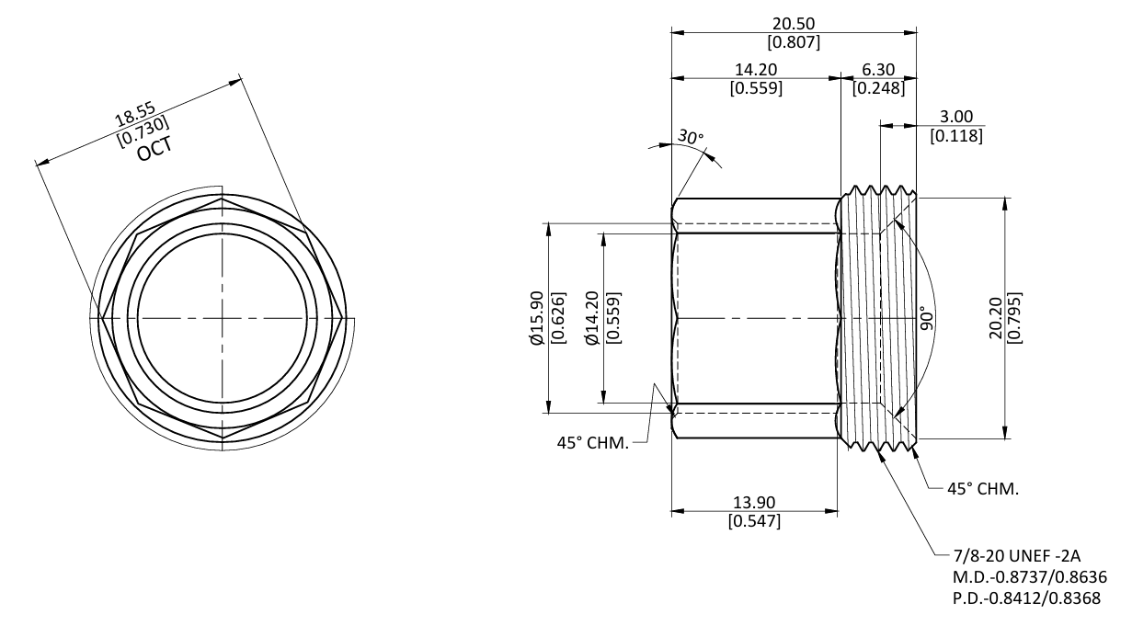
E
A
F
D
C

G
H
K

J
I
Note: "C" is measured roughly
"K" and "F" can't be measured reliably

nut
Sample Measurement Record
Mano Engineering LLC |  |  |  |  |  | Part No. X17380028030
No. | A | B | C | D | E
1 | 25.339 | 18.5 | 11.39 | 60.442 | 8.98
2 | 25.383 | 18.6 | 11.55 | 60.582 | 9.06
3 | 25.336 | 18.52 | 11.55 | 60.598 | 9
4 | 25.366 | 18.59 | 11.56 | 60.874 | 9.05
5 | 25.387 | 18.57 | 11.52 | 61.094 | 9.06

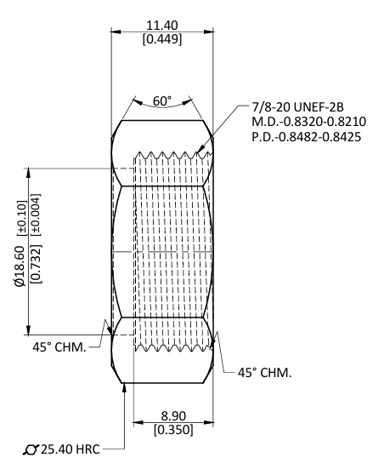
A
B

D
C
E

tailPiece
Sample Measurement Record
Mano Engineering LLC |  |  |  |  |  |  |  |  |  |  |  |  |  | Part No. X17380028030
No. | A | B | C | D | E | F | G | H | I | J | K | L | M |  | ref for E
1 | 23.75 | 18.14 | 5.4 | 1.9 | 4.943 | 20.66 |  | 15.39 | 13.99 | 18.02 | 15.93 | 14.09 | 19.05 |  | 9.886
2 | 23.8 | 18.16 | 5.64 | 2.02 | 4.985 | 20.65 |  | 15.39 | 13.96 | 18.06 | 15.95 | 14.09 | 19.08 |  | 9.97
3 | 23.75 | 18.19 | 5.64 | 2.04 | 5.0025 | 20.67 |  | 15.36 | 13.96 | 18.05 | 15.94 | 13.9 | 19.05 |  | 10.005
4 | 23.79 | 18.15 | 5.66 | 2.13 | 4.947 | 20.69 |  | 15.37 | 13.96 | 18.07 | 15.96 | 14.12 | 19.1 |  | 9.894
5 | 23.81 | 18.20 | 5.66 | 2.04 | 4.9955 | 20.66 |  | 15.38 | 13.98 | 18.05 | 15.96 | 14.1 | 19.06 |  | 9.991
A
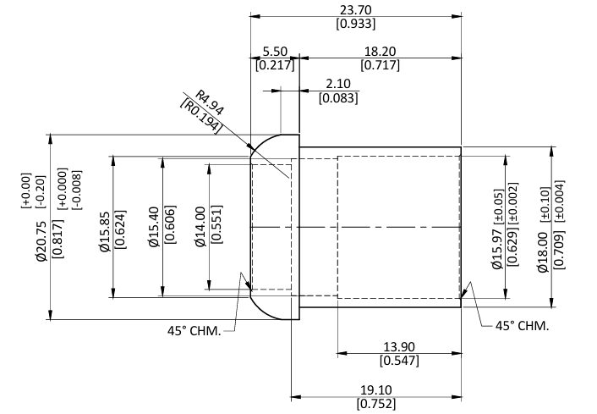
C
B
E
D

Note: "G" can't be measured reliably

I
F
G
K
J
H

L

M

